Marzo 2015
Fecha | Elemento PEP | Denominación | horas | Info adicional
02.03.2015 | D/003662-004 | SECURE OF INTERNET PAYMENTS - LYNX | 8
03.03.2015 | D/003662-004 | SECURE OF INTERNET PAYMENTS - LYNX | 8
04.03.2015 | D/003662-004 | SECURE OF INTERNET PAYMENTS - LYNX | 8
05.03.2015 | D/003662-004 | SECURE OF INTERNET PAYMENTS - LYNX | 8
06.03.2015 | D/003662-004 | SECURE OF INTERNET PAYMENTS - LYNX | 8
09.03.2015 | D/003662-004 | SECURE OF INTERNET PAYMENTS - LYNX | 8
10.03.2015 | D/003662-004 | SECURE OF INTERNET PAYMENTS - LYNX | 8
11.03.2015 | D/003662-004 | SECURE OF INTERNET PAYMENTS - LYNX | 8
12.03.2015 | D/003662-004 | SECURE OF INTERNET PAYMENTS - LYNX | 8
13.03.2015 | D/003662-004 | SECURE OF INTERNET PAYMENTS - LYNX | 8
16.03.2015 | D/003662-004 | SECURE OF INTERNET PAYMENTS - LYNX | 8
17.03.2015 | D/003662-004 | SECURE OF INTERNET PAYMENTS - LYNX | 8
18.03.2015 | D/003662-004 | SECURE OF INTERNET PAYMENTS - LYNX | 8
20.03.2015 | D/003662-004 | SECURE OF INTERNET PAYMENTS - LYNX | 8
23.03.2015 | D/003662-004 | SECURE OF INTERNET PAYMENTS - LYNX | 6 | Atención: Posible error en liberación 23.03.2015: Cantidad horas registradas 6,00 no alcanza h prefi
24.03.2015 | D/003740-003 | ENABLE CUSTOMER TO TOGGLE FROM PAPER BAS | 2 | Atención: Posible error en liberación 24.03.2015: Cantidad horas registradas 2,00 no alcanza h prefi
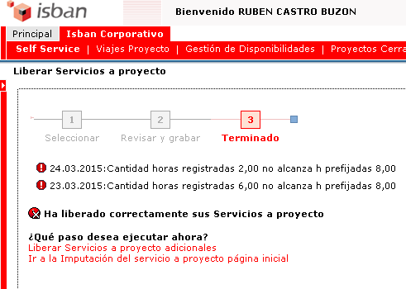
25.03.2015 | D/003740-003 | ENABLE CUSTOMER TO TOGGLE FROM PAPER BAS | 8
26.03.2015 | D/003740-003 | ENABLE CUSTOMER TO TOGGLE FROM PAPER BAS | 8
27.03.2015 | D/003740-003 | ENABLE CUSTOMER TO TOGGLE FROM PAPER BAS | 8
30.03.2015 | H/ABSE-VAC | Ausencia planificada | 8
31.03.2015 | H/ABSE-VAC | Ausencia planificada | 8
01.04.2015 | H/ABSE-VAC | Ausencia planificada | 8
 |  | TOTAL | 168
 |  | H/ABSE-VAC | 24
 |  | D/003662-004 | 118
 |  | D/003740-003 | 26

Fecha | Elemento PEP | Denominación | horas | Info adicional
02.03.2015 | D/003662-004 | SECURE OF INTERNET PAYMENTS - LYNX | 8
03.03.2015 | D/003662-004 | SECURE OF INTERNET PAYMENTS - LYNX | 8
04.03.2015 | D/003662-004 | SECURE OF INTERNET PAYMENTS - LYNX | 8
05.03.2015 | D/003662-004 | SECURE OF INTERNET PAYMENTS - LYNX | 8
06.03.2015 | D/003662-004 | SECURE OF INTERNET PAYMENTS - LYNX | 8
09.03.2015 | D/003662-004 | SECURE OF INTERNET PAYMENTS - LYNX | 8
10.03.2015 | D/003662-004 | SECURE OF INTERNET PAYMENTS - LYNX | 8
11.03.2015 | D/003662-004 | SECURE OF INTERNET PAYMENTS - LYNX | 8
12.03.2015 | D/003662-004 | SECURE OF INTERNET PAYMENTS - LYNX | 8
13.03.2015 | D/003662-004 | SECURE OF INTERNET PAYMENTS - LYNX | 8
16.03.2015 | D/003662-004 | SECURE OF INTERNET PAYMENTS - LYNX | 8
17.03.2015 | D/003662-004 | SECURE OF INTERNET PAYMENTS - LYNX | 8
18.03.2015 | D/003662-004 | SECURE OF INTERNET PAYMENTS - LYNX | 8
20.03.2015 | D/003662-004 | SECURE OF INTERNET PAYMENTS - LYNX | 8
23.03.2015 | D/003662-004 | SECURE OF INTERNET PAYMENTS - LYNX | 6
23.03.2015 | D/003740-003 | ENABLE CUSTOMER TO TOGGLE FROM PAPER BAS | 2
24.03.2015 | D/003740-003 | ENABLE CUSTOMER TO TOGGLE FROM PAPER BAS | 8
25.03.2015 | D/003740-003 | ENABLE CUSTOMER TO TOGGLE FROM PAPER BAS | 8
26.03.2015 | D/003740-003 | ENABLE CUSTOMER TO TOGGLE FROM PAPER BAS | 8
27.03.2015 | D/003740-003 | ENABLE CUSTOMER TO TOGGLE FROM PAPER BAS | 8
30.03.2015 | H/ABSE-VAC | Ausencia planificada | 8
31.03.2015 | H/ABSE-VAC | Ausencia planificada | 8
01.04.2015 | H/ABSE-VAC | Ausencia planificada | 8
 |  | TOTAL | 176
 |  | Ausencia planificada | 24
 |  | SECURE OF INTERNET PAYMENTS - LYNX | 118
 |  | ENABLE CUSTOMER TO TOGGLE FROM PAPER BAS | 34

Enero2018
Fecha | Elemento PEP | Denominación | Horas
2018-01-02 | H/ABOE-VAC | Ausencia planificada | 8
2018-01-03 | H/ABOE-VAC | Ausencia planificada | 8
2018-01-04 | H/ABOE-VAC | Ausencia planificada | 8
2018-01-05 | H/ABOE-VAC | Ausencia planificada | 8
08.01.2018 | Z/015985-002 | Línea de trabajo - 7494710 - Internet | 8
09.01.2018 | Z/015985-002 | Línea de trabajo - 7494710 - Internet | 8
10.01.2018 | Z/015985-002 | Línea de trabajo - 7494710 - Internet | 8
11.01.2018 | Z/015985-002 | Línea de trabajo - 7494710 - Internet | 8
12.01.2018 | Z/015985-002 | Línea de trabajo - 7494710 - Internet | 8 |  |  |  | Falta por imputar a Broker | 2018-01-17 | 8
15.01.2018 | Z/015985-002 | Línea de trabajo - 7494710 - Internet | 8 |  |  |  |  | 2018-01-18 | 8
16.01.2018 | Z/015985-002 | Línea de trabajo - 7494710 - Internet | 8 |  |  |  |  | 2018-01-22 | 8
2018-01-17 | Z/018405-001 | PL PE16.382300 ALEOnlineBrokerage MiFID2 | 8 |  |  |  |  | 2018-01-24 | 8
2018-01-18 | Z/018405-001 | PL PE16.382300 ALEOnlineBrokerage MiFID2 | 8 |  |  |  |  | 2018-01-25 | 8
19.01.2018 | Z/015985-002 | Línea de trabajo - 7494710 - Internet | 8 |  |  |  |  | 2018-01-26 | 8
2018-01-22 | Z/018405-001 | PL PE16.382300 ALEOnlineBrokerage MiFID2 | 8 |  |  |  |  | 2018-01-29 | 8
23.01.2018 | Z/015985-002 | Línea de trabajo - 7494710 - Internet | 8 |  |  |  |  | 2018-01-30 | 8
2018-01-24 | Z/018405-001 | PL PE16.382300 ALEOnlineBrokerage MiFID2 | 8 |  |  |  |  | 2018-01-31 | 8
2018-01-25 | Z/018405-001 | PL PE16.382300 ALEOnlineBrokerage MiFID2 | 8 |  |  |  |  |  | 72
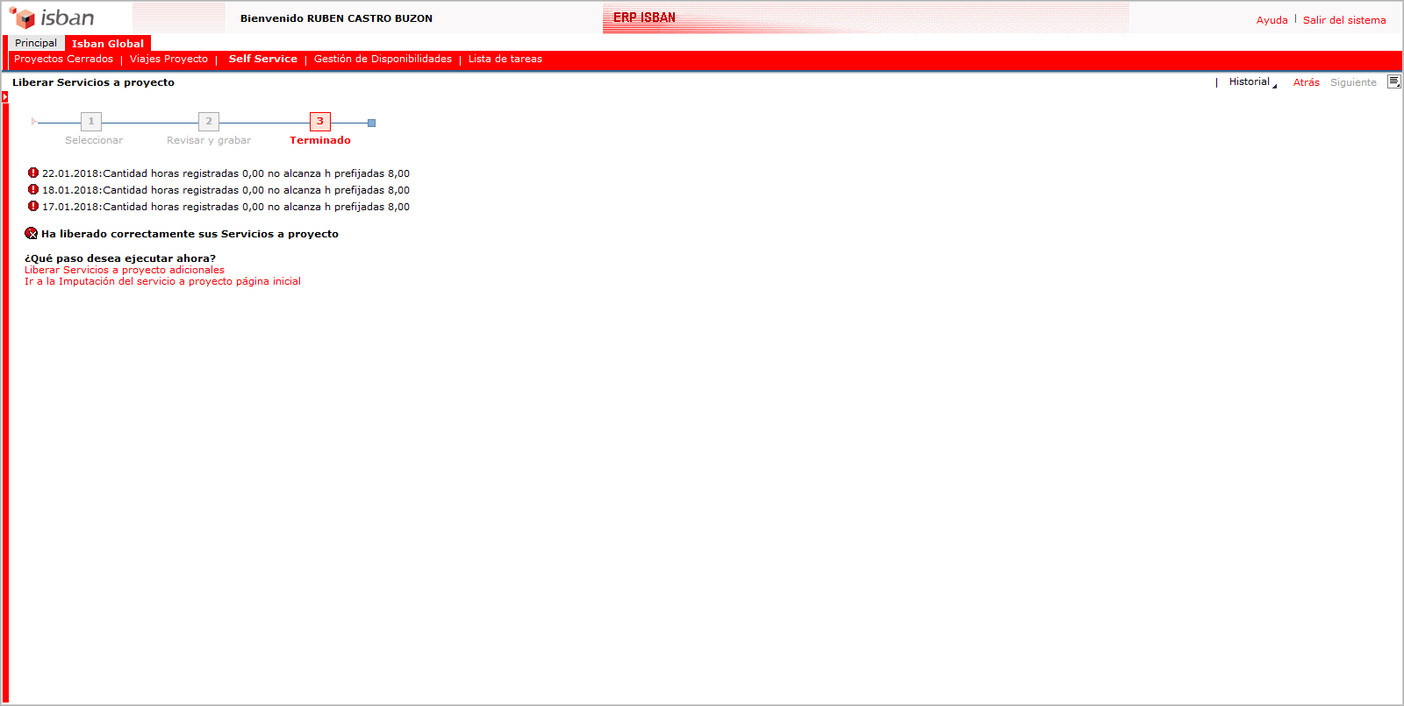
2018-01-26 | Z/018405-001 | PL PE16.382300 ALEOnlineBrokerage MiFID2 | 8
2018-01-29 | Z/018405-001 | PL PE16.382300 ALEOnlineBrokerage MiFID2 | 8
2018-01-30 | Z/018405-001 | PL PE16.382300 ALEOnlineBrokerage MiFID2 | 8
2018-01-31 | Z/018405-001 | PL PE16.382300 ALEOnlineBrokerage MiFID2 | 8
 |  | Total Vacaciones | 32
 |  | Total Z/015985-002 | 72
 |  | Total Z/018405-001 | 72
 |  | TOTAL | 176

 | 17.01.2018 | Z/018405-001 | PL PE16.382300 ALEOnlineBrokerage MiFID2 | 1028624 | PL PE16.382300 ALEOnlineBrokerage MiFID2 | 8
 | 18.01.2018 | Z/018405-001 | PL PE16.382300 ALEOnlineBrokerage MiFID2 | 1028624 | PL PE16.382300 ALEOnlineBrokerage MiFID2 | 8
 | 22.01.2018 | Z/018405-001 | PL PE16.382300 ALEOnlineBrokerage MiFID2 | 1028624 | PL PE16.382300 ALEOnlineBrokerage MiFID2 | 8
 | 24.01.2018 | Z/018405-001 | PL PE16.382300 ALEOnlineBrokerage MiFID2 | 1028624 | PL PE16.382300 ALEOnlineBrokerage MiFID2 | 8
 | 25.01.2018 | Z/018405-001 | PL PE16.382300 ALEOnlineBrokerage MiFID2 | 1028624 | PL PE16.382300 ALEOnlineBrokerage MiFID2 | 8
 | 26.01.2018 | Z/018405-001 | PL PE16.382300 ALEOnlineBrokerage MiFID2 | 1028624 | PL PE16.382300 ALEOnlineBrokerage MiFID2 | 8
 | 29.01.2018 | Z/018405-001 | PL PE16.382300 ALEOnlineBrokerage MiFID2 | 1028624 | PL PE16.382300 ALEOnlineBrokerage MiFID2 | 8
 | 30.01.2018 | Z/018405-001 | PL PE16.382300 ALEOnlineBrokerage MiFID2 | 1028624 | PL PE16.382300 ALEOnlineBrokerage MiFID2 | 8
 | 31.01.2018 | Z/018405-001 | PL PE16.382300 ALEOnlineBrokerage MiFID2 | 1028624 | PL PE16.382300 ALEOnlineBrokerage MiFID2 | 8

Febrero2018
Fecha | Elemento PEP | Denominación | Horas
01.02.2018 | Z/015985-002 | Línea de trabajo - 7494710 - Internet | 8
02.02.2018 | Z/015985-002 | Línea de trabajo - 7494710 - Internet | 8
05.02.2018 | Z/015985-002 | Línea de trabajo - 7494710 - Internet | 8
06.02.2018 | Z/015985-002 | Línea de trabajo - 7494710 - Internet | 8
07.02.2018 | Z/015985-002 | Línea de trabajo - 7494710 - Internet | 8
08.02.2018 | Z/015985-002 | Línea de trabajo - 7494710 - Internet | 8
09.02.2018 | Z/015985-002 | Línea de trabajo - 7494710 - Internet | 8
12.02.2018 | Z/019216-001 | Pay Direkt - Desarrollo - 7494710 | 8
13.02.2018 | Z/019216-001 | Pay Direkt - Desarrollo - 7494710 | 8
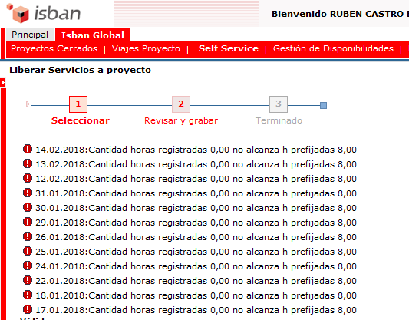
14.02.2018 | Z/019216-001 | Pay Direkt - Desarrollo - 7494710 | 8
15.02.2018 | H/ABOE-VAC | Ausencia planificada | 8
16.02.2018 | H/ABOE-VAC | Ausencia planificada | 8
19.02.2018 | Z/019216-001 | Pay Direkt - Desarrollo - 7494710 | 4
19.02.2018 | Z/017779-001 | Global - 7494710 | 4
20.02.2018 | Z/017779-001 | Global - 7494710 | 8
21.02.2018 | Z/017779-001 | Global - 7494710 | 8
22.02.2018 | Z/017779-001 | Global - 7494710 | 8
23.02.2018 | Z/017779-001 | Global - 7494710 | 8
26.02.2018 | Z/017779-001 | Global - 7494710 | 8
27.02.2018 | Z/017779-001 | Global - 7494710 | 8
28.02.2018 | Z/017779-001 | Global - 7494710 | 8
 |  | TOTAL Línea de trabajo - 7494710 - Internet | 56
 |  | TOTAL Vacaciones | 16
 |  | Pay Direkt - Desarrollo - 7494710 | 28
 |  | Global - 7494710 | 60
 |  | TOTAL | 160

 |  |  |  | 12.02.2018 | Z/019216-001 | Pay Direkt - Desarrollo - 7494710 | 8
 |  |  |  | 13.02.2018 | Z/019216-001 | Pay Direkt - Desarrollo - 7494710 | 8
 |  |  |  | 14.02.2018 | Z/019216-001 | Pay Direkt - Desarrollo - 7494710 | 8
 |  |  |  | 19.02.2018 | Z/019216-001 | Pay Direkt - Desarrollo - 7494710 | 4
 |  |  |  | 19.02.2018 | Z/017779-001 | Global - 7494710 | 4
 |  |  |  | 20.02.2018 | Z/017779-001 | Global - 7494710 | 8
 |  |  |  | 21.02.2018 | Z/017779-001 | Global - 7494710 | 8
 |  |  |  | 22.02.2018 | Z/017779-001 | Global - 7494710 | 8
 |  |  |  | 23.02.2018 | Z/017779-001 | Global - 7494710 | 8
 |  |  |  | 26.02.2018 | Z/017779-001 | Global - 7494710 | 8
 |  |  |  | 27.02.2018 | Z/017779-001 | Global - 7494710 | 8
 |  |  |  | 28.02.2018 | Z/017779-001 | Global - 7494710 | 8

Abril 2018
Fecha | Elemento PEP | Denominación | Horas
02.04.2018 | Z/015985-002 | Línea de trabajo - 7494710 - Internet | 8
03.04.2018 | Z/015985-002 | Línea de trabajo - 7494710 - Internet | 8
04.04.2018 | Z/015985-002 | Línea de trabajo - 7494710 - Internet | 8 |  | ??? |  | CR-BK-Cust.Creation | FICO Integration (Global) | GER-ACT.LOCAL N2 SE Omn&Pro.-Canales-ADP | GER-ACT.LOCAL N2 SE Omni&Pro.- Canales&P | Santander Germany -Future - Loans for IB | US-ACT.LOCAL N2 SE Omni&Pro.- Canales&Po | Soporte broker | CR nCino | Total general
05.04.2018 | Z/015985-002 | Línea de trabajo - 7494710 - Internet | 8 | NOMBRE | H/ABSE-AUSE | H/ABSE-VAC | Z/019048-002 | Z/018424-001 | Z/016016-002 | Z/015985-002 | Z/019139-001 | Z/015945-001 | Z/XXXXXX-002 | Z/018441-002
06.04.2018 | Z/015985-002 | Línea de trabajo - 7494710 - Internet | 8 | CASTRO BUZON, RUBEN |  | 8 |  |  |  | 80 | 42 |  | 38 |  | 168
09.04.2018 | Z/015985-002 | Línea de trabajo - 7494710 - Internet | 8 | FERNANDEZ GUILLEN RAUL |  |  | 18 | 53 | 68 | 2 | 12 |  |  | 15 | 168
10.04.2018 | Z/015985-002 | Línea de trabajo - 7494710 - Internet | 8 | GONZALO CASTELLANOS, CARLOS | 120 |  |  |  |  |  |  | 8 |  | 40 | 168
11.04.2018 | Z/015985-002 | Línea de trabajo - 7494710 - Internet | 8 | RODRIGUEZ RODRIGUEZ, RAFAEL |  | 8 |  |  | 68 |  | 56 |  |  | 36 | 168
12.04.2018 | Z/015985-002 | Línea de trabajo - 7494710 - Internet | 8 | SANCHEZ POSTIGO, VICTOR | 16 | 8 |  | 24 | 48 | 60 | 12 |  |  |  | 168
13.04.2018 | Z/015985-002 | Línea de trabajo - 7494710 - Internet | 8
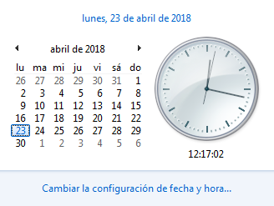
16.04.2018 | Z/019139-001 | Desarrollo - 7494710 | 8
17.04.2018 | Z/019139-001 | Desarrollo - 7494710 | 8
18.04.2018 | Z/019139-001 | Desarrollo - 7494710 | 8
19.04.2018 | Z/019139-001 | Desarrollo - 7494710 | 8
20.04.2018 | Z/019139-001 | Desarrollo - 7494710 | 8
23.04.2018 | Z/019139-001 | Desarrollo - 7494710 | 2
23.04.2018 | Z/018405-001 | PL PE16.382300 ALEOnlineBrokerage MiFID2 | 6
24.04.2018 | Z/018405-001 | PL PE16.382300 ALEOnlineBrokerage MiFID2 | 8
25.04.2018 | Z/018405-001 | PL PE16.382300 ALEOnlineBrokerage MiFID2 | 8
26.04.2018 | Z/018405-001 | PL PE16.382300 ALEOnlineBrokerage MiFID2 | 8
27.04.2018 | Z/018405-001 | PL PE16.382300 ALEOnlineBrokerage MiFID2 | 8
30.04.2018 | H/ABOE-VAC | Ausencia planificada | 8
 |  | Total Línea de trabajo - 7494710 - Internet | 80
 |  | Total Desarrollo - 7494710 | 42
 |  | Total PL PE16.382300 ALEOnlineBrokerage MiFID2 | 38
 |  | Total Ausencia planificada | 8
 |  | TOTAL | 168

